MarginalEmissionFactor2024
 |  |  | Total generation availabe on the grid
 |  |  |  | Value | Contribution
 |  |  | Eskom generation | 175,515,317 | 87% | Includes Koeberg. Nuclear is considered LCMR
 |  |  | IPP | 17,957,000 | 9% | Renewables considered as low-cost must run
 |  |  | Imports | 8,654,000 | 4%

PACM calculation

Step 1 and 2 are applicable to calculation actual emissions and not applicable to the GEF calculation. These steps will be applicable to the PDD

Step 3: Identify the relevant electricity system
The electricity system covered by this calculation is the South African National Grid. The calculation can be applied to Scenario A

Step 4: Determine whether high or lower value is conservative

This calculation calculates both values. Use Case 1 for where higher emissions are conservative, i.e. PE and LE
Uase Case 2 where lower emissions are conservative i.e. BE

Step 5: Determine the amount of electricity generation and/or consumption

This step applies in the PD and MR not to the GEF calculation

Step 6: Determine which emission factor is applicable

The emission factor for Scenario A in both Case 1 and Case 2 will be calculated

Step 7: Calculate combined emission factor

Operating margin calculation:

The Simple OM is applied

Renewables+Nuclear percentage | 14% | Must be less than 30% renewables and nuclear on the grid to apply Simple OM approach

Ex ante option applies three year weighted average
Ex post option prefered.
Ex ante option requires each year to be adjusted in the MR calculations

Ex ante | 1.1158 | tCO2/MWh | Values calculated excluding must run power units (namely Koeberg, renewables and imports. Imports are predominantly hydro)
Ex post | 1.1462 | tCO2/MWh

Build margin calculation:

Year x = 2026 (Year Article 6.4 project started operation) |  |  | 2026
Year z = 2024 (Year with most recent data on power plant installation data) |  |  | 2024
Adjustment factor for vintage |  |  | 22.34%

Historical reference period applied as z < x+1 (2024 < 2026 + 1) |  |  | Year 1 | Year 2 | Year 3 |  | Year 1 | Year 2 | Year 3 | Year 4 | Year 5
Reference period = 2024, 2023, 2022 |  |  | 2022 | 2023 | 2024 |  | 2020 | 2021 | 2022 | 2023 | 2024

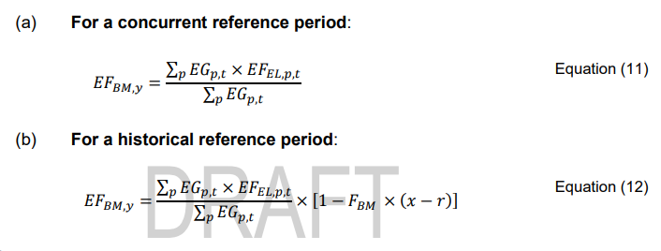
PEL,total | 46728 | MW
PEL,refperiod | 1200 | MW
Threshold | 2336.4 | MW
Check | FALSE
Count of projects built | 5
Final check | FALSE

List of projects built in the reference period
Kusile Unit 4
Kusile Unit 5

Apply three year or five year period as per above check
Check failed above therefore five year period applied
Name | Date | Generation | Rank | Emission Factor
Kusile Unit 2 | 44134 | 1,710,419 | 6 | 0.77
Kusile Unit 3 | 44286 | 1,710,419 | 4 | 0.77
Kusile Unit 4 | 44712 | 1,710,419 | 2 | 0.77
Kusile Unit 5 | 45291 | 1,710,419 | 1 | 0.77
Kusile Unit 6 | 44103 | 1,710,419 | 7 | 0.77
TWE Golden Valley Wind Power Project | 44317 | 509,303 | 3 | 0.00
GS11949 Small-scale solar electrical programme, South Africa | 44181 | 22,500 | 5 | 0.00

BM | 0.40 | tCO2/MWh

Weights
Case 1
 | 1st Crediting Period
 | OM | BM
Intermittent generation and consumption | 0.75 | 0.25
Non intermittent generation and consumption | 0.375 | 0.625

Case 2
 | 1st Crediting Period
 | OM | BM
Intermittent generation and consumption | 0.25 | 0.75
Non intermittent generation and consumption | 0.125 | 0.875

Emission Factors

Case 1 (Project emissions)
 | 1st Crediting Period
 | CM
Intermittent generation and consumption | 0.9598
Non intermittent generation and consumption | 0.6801

Case 2 (Baseline Emissions)
 | 1st Crediting Period
 | CM
Intermittent generation and consumption | 0.5793
Non intermittent generation and consumption | 0.4898

