2. stakeholder map
(LOW) INTEREST OF STAKEHOLDER (HIGH)
2. Stakeholder map
 | Identify at least 3 stakeholder for each grid below, based on their level of interest and influence, and list them in the respective box.
 | Stakeholders with high interest and low influence | Stakeholders with high interest and high influence
 | KEEP THEM INFORMED AND SHOW CONSIDERATION | KEY PLAYERS: MANAGE MOST THOROUGHLY
 | 1. | 1. | Reference map to consider:
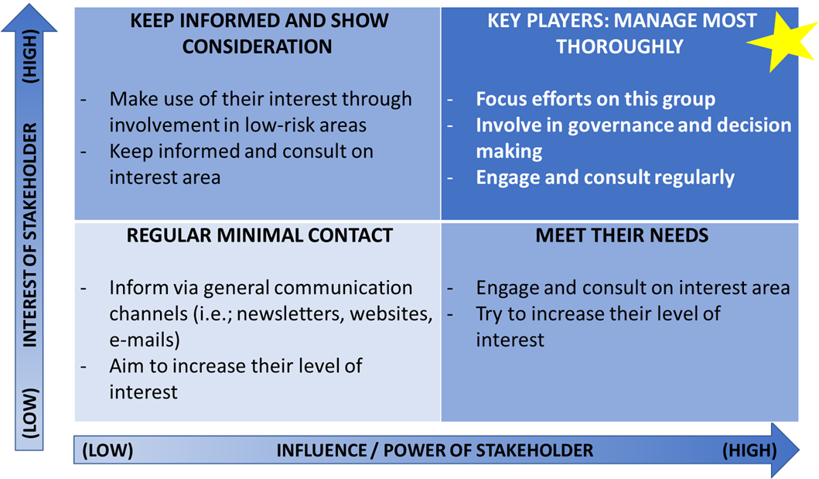
 | 2. | 2.
 | 3. | 3.

 | Stakeholders with low interest and low influence | Stakeholders with low interest and high influence
 | MAINTAIN MINIMUM REGULAR CONTACT | MEET THEIR NEEDS
 | 1. | 1.
 | 2. | 2.
 | 3. | 3.

(LOW) INFLUENCE / POWER OF STAKEHOLDER (HIGH)

