BAUy
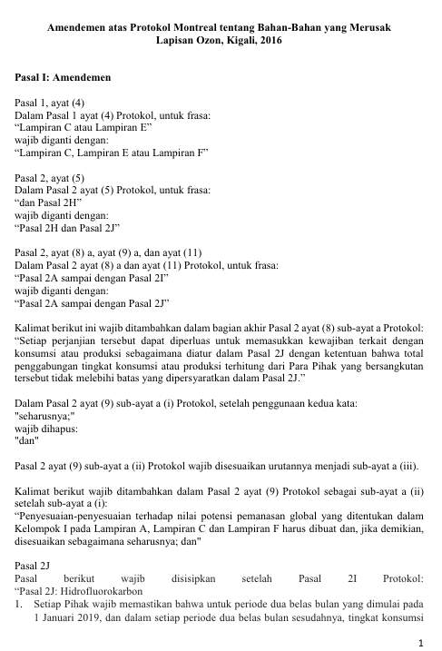
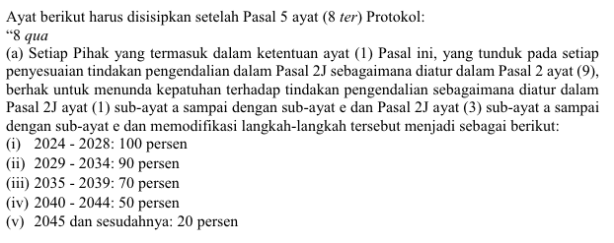
※ BAU Emission |  |  |  |  | ※ Annual BAU Emission

 |  |  |  |  | Year | MHFC,x,y | BAUHFC,x,y
Parameter | Component | Unit | value | Note | Year 1 | 7.293 | 1,225
BAUHFC,x,y | Emissions to the atmosphere of residual HFCs(x) from ISO tank containers in year y | tCO2e/year | 1,225.245 |  | Year 2 | 7.147 | 1,201
MHFC,x,y | Imports of HFCs(x) stored in ISO tank containers in year y | tHFCx/year | 7.2931 |  | Year 3 | 7.004 | 1,177
γPolicyy | Adjustment factor reflecting national and subnational regulations and international agreements related to HFCs | - | 0.02 | - Indonesia has ratified the Kigali Amendment and aims to reduce HFC consumption by 10% by 2034. → A yearly 2% reduction in import volumes Ref) https://peraturan.bpk.go.id/Details/230496/perpres-no-129-tahun-2022 | Year 4 | 6.864 | 1,153
GWPHFCx | Global warming potential of HFCs | tCO2e/tHFCs | 2,800 | HFC-125 | Year 5 | 6.727 | 1,130
IPCC factor | A conservative average value of the 2019 IPCC recommended range | % | 6% | As the 2019 IPCC estimates that 2-10% of the total refrigerant market is emitted during the management of refrigerant containers, we conservatively use the IPCC recommendation of 6%. Ref) 2019 Refinement IPCC Volume 3 chapter 7, Equation7.11

Date | ISO tank container No | Unit | value | Note
2025-11-14 | No.###### | tHFC-125 | 7.2931245001 | The recovery rate is assumed to be 95%.

(4)AE_trans
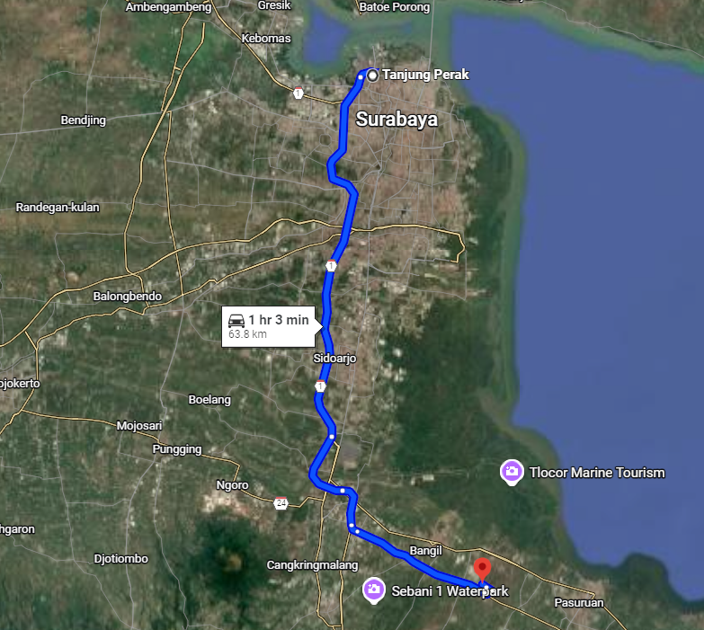
※ Activity Emission(Transprot, Diesel)

Parameter | Component |  |  | Unit | Value |  | Note
AETransport,y | Emissions generated from the transport of the HFCs inputed in year y from the recovery point to the HFC destruction facility |  |  | tCO2e/year | 0.019
Qfuel,k,y | Fuel consumption by fuel type(k) for the vehicles transporting the recovered HFCs to the destruction facility in year y |  |  | kL/year, kg/year, MWh/year | 0.00001 |  | Diesel(Gg)
NCVfuel,k | Net calorific value of fuel type(k) |  |  | MJ/L, MJ/kg | 42.63 |  | Diesel(TJ/Gg)
EFfuel,k | Emission factor for fuel type(k) |  |  | tCO2/TJ | 74.52
AEe-Transport,y | Emissions generated from the transport of the input HFCs from the recovery point to the HFC destruction facility in year y |  |  | tCO2e/year | -

No. | Date | Recovery container No | Origin | Destination | Distance(㎞) Dk,v | Transport vehicle | Fuel | Vehicle Efficiency Vefficiency,v | Fuel consumption | Unit | Note
1 | 2025-11-14 | ##### | Tanjung Perak, West Perak, Krembangan, Surabaya, East Java, Indonesia | Pejangkungan, Rembang, Pasuruan Regency, East Java, Indonesia | 63.8 |  | Diesel | 9.1 | 7.01 | L

parameter
※ GWP
Parameter | Value | Unit
HFC-125 | 2,800.00 | tCO2eq/tHFC-125

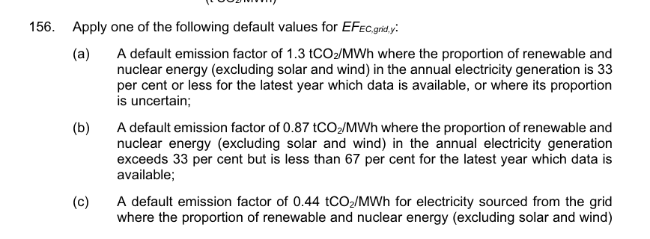
※ Electric Emission factor
Parameter | Value | Unit
EFElectric | 1.30 | tCO2eq/MWh

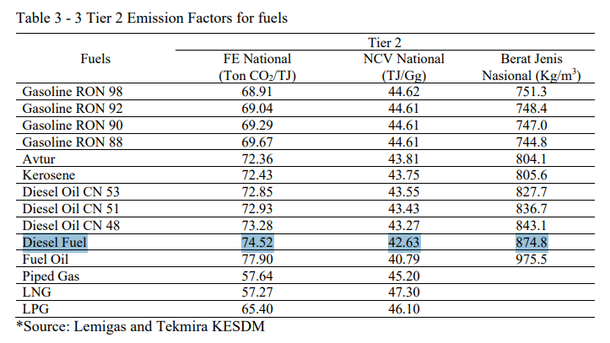
※ NCV | Ref : Indonesia NID
Fuel | NCV | Unit
gas/diesel | 42.6 | TJ/Gg

※ Fuel EF | Ref : Indonesia NID
Fuel | CO2 | Unit
gas/diesel | 74.52 | tCO2/TJ

※ Fuel Density | Ref : Indonesia NID
Fuel | Density | Unit
diesel | 874.8 | kg/㎥

※ Uncertainty of BAU data
Instrument | Uncertainty
truck scale | 0.5%

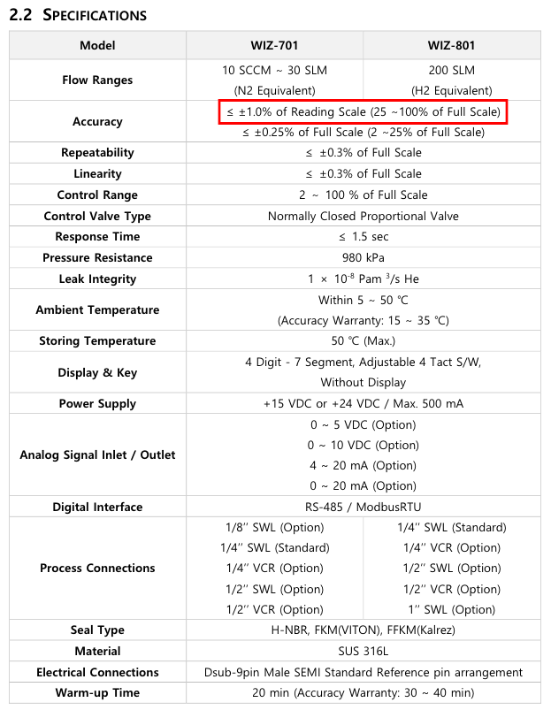
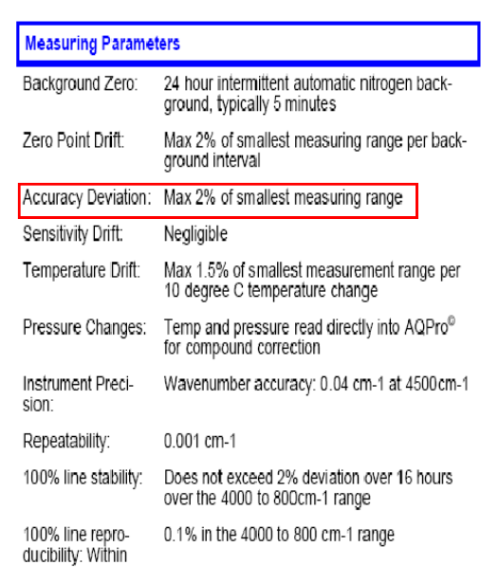
※ Uncertainty of baseline activity data
Instrument | Uncertainty | 95% confidence level | Combined Uncertainty |  | 1) MFC | 2) FT-IR
FT-IR INLET | 2% | 3.92% | 4.38%
MFC | 1% | 1.96%

※ CR | Ref : https://iupac.org/what-we-do/periodic-table-of-elements/
Atom | Atomic mass | Uncertainty
H | 1.008 | ±0.0002
C | 12.011 | ±0.002
F | 18.998 | ±0.001

Parameter | Molecular Formula | molecular mass | moles of carbon | CR
HFC-125 | CHF2CF3 | 120.020 | 2 | 0.200

